Instructions
Advanced Class Prices by Order
Agricultural Marketing Service, Dairy Program, Market Information Branch
For more information on this and other reports, go to https://www.ams.usda.gov/resources/marketing-order-statistics.
After you download this spreadsheet, use the following step-by-step instructions to get the most recent data.

 | 1.) Click the Data Tab at the top.

 | 2.) Click Refresh All.

 | 3.) For your first time connecting to the API, this notice will appear. Under the Anonymous tab, click Connect. After clicking Connect, your data will begin to refresh.
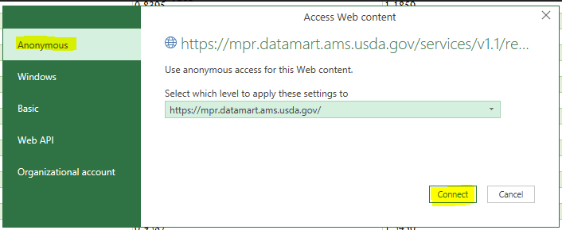

 | 4.) While the data is refreshing, this notice will appear in the bottom left-hand corner of the spreadsheet.

 | 5.) Once the notice has disappeared, your data refresh is complete.

If you have any questions or issues, please contact the Market Information Branch for assistance.

 |  | dpp@usda.gov
 |  | 202-260-9091

